Instructions
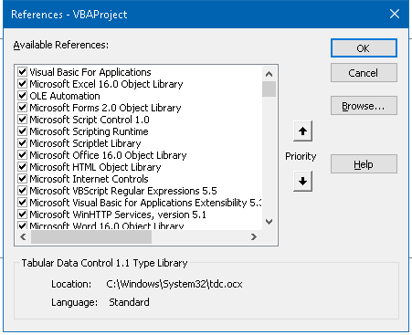
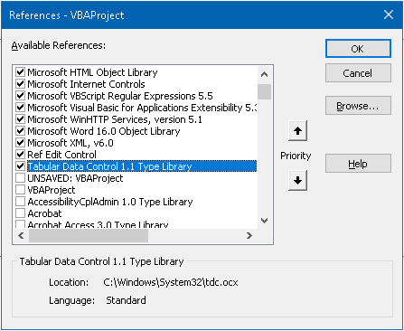
Buttons explained: | Steps to do: | What does it do:
Clear sheet (for New cycle) | N/A | 1. Clears sheet completely
Update Cycle | 1. Go to Jarvis and export the cycle results to "downloads" folder | 1. Updates the status for each test
How to use:
To create a new cycle:
1) Clear sheet button
2) Create testlist
3) Copy all Enabled Online and Dual tests (64b only) to columns A,B and C
4) Update cycle button
 | 2. in the dialog box, pick the exported file | 2. Updates the number of missing comments in Jarvis
Check for missing comments | N/A | 1. Compares Jira cases between Jarvis and tracker
 |  | 2. updates the number of differences in J1
Find Jira Case | select the AT number you want to search in column A (for example: A6) | A Jira filter will come up with all cases ever submitted related to this AT

Troubleshoot:
Make sure the below VBA references are checked:

